Link Analysis Example
Link Budget Analysis |  |  |  |  |  |  | Sample Orbits | Ra (km) | Rp (km) | i (deg)
 |  |  |  |  | Color Code Key |  | Shuttle | 380 | 380 | 28 | Directivity, Gain , Antenna Area
Constants | Symbol | Values | Units |  | User Inputs |  | ISS | 380 | 380 | 51.6 | Design Element | Symbol | Units | Value
Earth gravitational constant | m | 398600.5 | km3/s2 |  | calculated value |  | GPS | 20,183 | 20,183 | 54.85 | Beam Width | D | Deg | 30
Earth radius | RE | 6,378.14 | km |  | Heading |  | Molniya | 39,850 | 500 | 63.4 | Directivity of Antenna | W | steradian | 0.21
Speed of Light | c | 3.00E+08 | m |  | Sub Heading |  | Geosynchronous | 35,786 | 35,786 | 0 | Operating Frequency | f | GHz | 2.2
Boltzmann Constant | k | 1.38E-23 | J/K |  |  |  |  |  |  |  | Operating Wavelength | l | m | 0.14
 |  |  |  |  |  |  | Range to Satellite at Altitude |  |  |  | Peak Antenna Gain | Gmax |  | 58.70
Design Element | Symbol | Units | Link 1 | Link 2 | Link 3 | Link 4 | Design Element | Symbol | Units | Value | Peak Antenna Gain | Gmax | dB | 17.69
Link Frequency | f | GHz | 2.2 | 0.45 | 0.465 | 0.465 | Spacecraft Altitude | h | km | 600 | Antenna Effective Area | Aeff | m2 | 0.09
Transmitter Power | Ptx | Watts | 1.50 | 5.00 | 0.25 | 0.25 | Degrees above Horizon | e | Deg | 10
Transmitter Power | Ptx | dBW | 1.76 | 6.99 | -6.02 | -6.02 | Angle above Horizon | e | Rad | 0.175
Transmitter |  |  |  |  |  |  | Range | R | km | 1932.3
Antenna Gain | Gtx | dB | 1.15 | 37.00 | 0.00 | 0.00
Antenna Transmitter Losses | Ltx | dB | -0.5 | -0.5 | -0.5 | -0.5 | Gain of a Parabolic Reflector Antenna - Transmitter |  |  |  | Gain of a Helix Antenna - Transmitter |  |  |  | Gain of a Dipole Antenna - Transmitter | Gain of a Patch Antenna - Transmitter | Gain of a Dipole Horn - Transmitter | Gain of a Yagi Antenna - Transmitter
Antenna Beam width | qtx | Deg | 136.4 | 2.2 | 180.0 | 180.0 | Design Element | Symbol | Units | Value | Design Element | Symbol | Units | Value
Antenna Misalignment | atx | Deg | 20 | 0.5 | 80 | 80 | Antenna Diameter | D | m | 0.07 | Antenna Length | L | m | 0.6
Alignment Loss | Lqtx | dB | -0.26 | -0.62 | -2.37 | -2.37 | Global Efficiency | h |  | 0.5 | Global Efficiency | h |  | 0.7
Equivalent Isotropic Radiated Power | EIRP | dBW | 2.15 | 42.87 | -8.89 | -8.89 | Antenna Frequency | f | GHz | 2.2 | Operating Frequency | f | GHz | 2.2
Losses |  |  |  |  |  |  | Peak Antenna Gain | Gmax |  | 1.30E+00 | Operating wavelength | l | m | 0.14
Propagation Path Length | S | Km | 1932.3 | 1570.0 | 1944.0 | 250.0 | Peak Antenna Gain | Gmax | dB | 1.15 | Antenna Diameter | D | m | 0.04
Space Loss | Ls | dB | -165.02 | -149.43 | -151.57 | -133.76 | Antenna Beam width | theta | Deg | 136.36 | Peak Antenna Gain | Gmax |  | 4.62E+01
Atmospheric | La | dB | -0.1 | -0.15 | -0.15 | -0.15 |  |  |  |  | Peak Antenna Gain | Gmax | dB | 16.65
Polarization Loss | Lp | dB | -3 | 0 | 0 | 0 |  |  |  |  | Antenna Beam width | theta | Deg | 24.78
Total Losses | L | dB | -168.12 | -149.58 | -151.72 | -133.91
Receiver |  |  |  |  |  |  | Gain of a Parabolic Reflector Antenna - Receiver |  |  |  | Gain of a Helix Antenna - Receiver |  |  |  | Gain of a Dipole Antenna - Receiver | Gain of a Patch Antenna - Receiver | Gain of a Dipole Horn - Receiver | Gain of a Yagi Antenna - Receiver
Antenna Gain | Gr | dB | 25.4 | 0.0 | 37.0 | 37.0 | Design Element | Symbol | Units | Value | Design Element | Symbol | Units | Value |  |  |  | Yagi Antenna in 460 - 470 Mhz band |  | 13 | dB
Antenna Receiver Loss | Lr | dB | -0.5 | -0.5 | -0.5 | -0.5 | Antenna Diameter | D | m | 1 | Length (2l < L < 7l) | L | m | 1 |  |  |  | An array of X antennas | 2 | 16 | dB
Antenna Beam width | qr | Deg | 9.5 | 180.0 | 2.2 | 2.2 | Global Efficiency | h |  | 0.65 | Global Efficiency | h |  | 0.7 |  |  |  |  | 4 | 19 | dB
Antenna Misalignment | ar | Deg | 2 | 80 | 0.5 | 0.5 | Antenna Frequency | f | GHz | 2.2 | Operating Frequency | f | GHz | 2.2 |  |  |  |  | 8 | 22 | dB
Alignment Loss | Lqr | dB | -0.53 | -2.37 | -0.62 | -0.62 | Peak Antenna Gain | Gmax |  | 3.45E+02 | Operating wavelength | l | m | 0.14 |  |  |  |  | 16 | 25 | dB
Total Receiver | G | dB | 24.36 | -2.87 | 35.88 | 35.88 | Peak Antenna Gain | Gmax | dB | 25.38 | Antenna Diameter | D | m | 0.04 |  |  |  |  | 32 | 28 | dB
Sky (Antenna) Noise Temperature | Ta | K | 10 | 300 | 60 | 60 | Antenna Beam width | theta | Deg | 9.55 | Peak Antenna Gain | Gmax |  | 7.71E+01 |  |  |  |  | 64 | 31 | dB
Receiver Temperature | Tr | K | 15.00 | 150.00 | 120.00 | 120.00 |  |  |  |  | Peak Antenna Gain | Gmax | dB | 18.87 |  |  |  |  | 128 | 34 | dB
System Noise Temperature | Ts | K | 25.00 | 450.00 | 180.00 | 180.00 | Link Type (notes) | Margin | Units |  | Antenna Beam width | theta | Deg | 19.20 |  |  |  |  | 256 | 37 | dB
Receiver Merit | G/T | DB(1/K) | 10.38 | -29.40 | 13.33 | 13.33 | Flight Termination | 9 | dB
Powers |  |  |  |  |  |  | Command & Control | 6 | dB
Power Flux Density | f | dB(W/m2) | -134.56 | -92.04 | -145.66 | -127.84 | Data Dump | 3 | dB
Power Flux Spectral Density | ff | dB(W/m2/kHz) | -164.56 | -95.84 | -175.66 | -157.84 | Other | 0 | dB
Power Flux Spectral Density Limit | ff | dB(W/m2/kHz) | 0.00 | 0.00 | -158.02 | -158.02
Carrier Power Received | Prx | dBW | -141.61 | -109.58 | -124.73 | -106.92 | Modulation (notes) | Eb/No | Bandwidth |  | Channel Capacity (Shannon Limit)
Noise Spectral Density | No | dB(W/Hz) | -214.62 | -202.07 | -206.05 | -206.05 | For BER of 10-5 |  |  |  |  | Symbol | Units | Value
Carrier to Noise Density | Prx/No | dB(Hz) | 73.01 | 92.49 | 81.31 | 99.13 | FSK | 13.3 | 2 R |  | Bandwidth | B | Hz | 1.00E+06
Rates |  |  |  |  |  |  | FSK-4 |  |  |  | Signal to Noise Ratio | Eb/No | dB | 14.43
Data Rate | R | Bps | 1.00E+06 | 2.40E+03 | 1.00E+06 | 1.00E+06 | FSK-8 | 9.2 | 2.6 R |  | Signal to Noise Ratio | Eb/No | Unitless | 27.73
Eb/No | Eb/No | dB | 13.01 | 58.68 | 21.31 | 39.13 | BPSK | 9.6 | R |  | Max Data Rate | Rmax | Hz | 4.84E+06
Required Eb/No | Eb/No | dB | 9.6 | 9.6 | 9.6 | 9.6 | DPSK | 10.3 | R
Required Margin |  | dB | 3 | 3 | 3 | 3 | QPSK | 9.6 | 0.5 R
Margin |  | dB | 0.41 | 46.08 | 8.71 | 26.53 | Convolutionally Coded PSK | 4.4
G₂
T₂
G₄
T₃
G₆
T₄
G₁
T₁
T_{A}
G₃
G₅
T₅
T₆
Feed
Line
LNA
Down
Convert
Detector
Line

Design Element | Symbol | Units | Value
-- Antenna Feed --
Feed Gain | G1 | dB | -1.8
Feed Gain | G1 |  | 0.66
Feed Thermodynamic Temperature | T | K | 290
Feed Noise Temperature | T1 | K | 148.93
Cumulative Receiver Noise Temperature | Te | K | 148.9
Cumulative Receiver Gain | Ge |  | 0.66
-- Preamp -- |  |  |  |  |  |  | Noise Temperature to Noise Figure
Preamp Gain | G2 | dB | 30 |  |  |  |  | Symbol | Units | Value
Preamp Gain | G2 |  | 1000.00 |  |  |  | Noise Temperature | T | K | 20
Preamp Noise Temperature | T2 | K | 60 |  |  |  | Reference Temperature |  | K | 290
Cumulative Receiver Noise Temperature | Te | K | 240 |  |  |  | Noise Figure | F |  | 1.069
Cumulative Receiver Gain | Ge |  | 661 |  |  |  | Noise Figure to Noise Temperature
-- Line Connect -- |  |  |  |  |  |  |  | Symbol | Units | Value
Line Gain | G3 | dB | -0.5 |  |  |  | Noise Figure | T | K | 1.069
Line Gain | G3 |  | 0.89 |  |  |  | Reference Temperature |  | K | 290
Line Thermodynamic Temperature | T | K | 290 |  |  |  | Noise Temperature | F |  | 20.01
Line Noise Temperature | T3 | K | 35.39
Cumulative Receiver Noise Temperature | Te | K | 240
Cumulative Receiver Gain | Ge |  | 589
-- Down Converter --
Down Converter Gain | G4 | dB | 3
Down Converter Gain | G4 |  | 2.00
Down Converter Noise Temperature | T4 | K | 300
Cumulative Receiver Noise Temperature | Te | K | 240
Cumulative Receiver Gain | Ge |  | 1175
-- Line Connect --
Line Gain | G5 | dB | -0.5
Line Gain | G5 |  | 0.89
Line Thermodynamic Temperature | T | K | 290
Line Noise Temperature | T5 | K | 35.39
Cumulative Receiver Noise Temperature | Te | K | 240
Cumulative Receiver Gain | Ge |  | 1047
-- Detector --
Detector Gain | G6 | dB | 3
Detector Gain | G6 |  | 2.00
Detector Noise Temperature | T6 | K | 1420
Cumulative Receiver Noise Temperature | Te | K | 242
Cumulative Receiver Gain | Ge |  | 2089

System Noise Temperature
Antenna Noise (from figure) | Ta | dB | 12
Receiver System Noise Temperature | Te |  | 241.7
System Noise Temperature | Ts |  | 253.7

Link Analysis Blank
Link Budget Analysis |  |  |  |  |  |  | Sample Orbits | Ra (km) | Rp (km) | i (deg)
 |  |  |  |  | Color Code Key |  | Shuttle | 380 | 380 | 28 | Directivity, Gain , Antenna Area
Constants | Symbol | Values | Units |  | User Inputs |  | ISS | 380 | 380 | 51.6 | Design Element | Symbol | Units | Value
Earth gravitational constant | m | 398600.5 | km3/s2 |  | calculated value |  | GPS | 20,183 | 20,183 | 54.85 | Beam Width | D | Deg | 30
Earth radius | RE | 6,378.14 | km |  | Heading |  | Molniya | 39,850 | 500 | 63.4 | Directivity of Antenna | W | steradian | 0.21
Speed of Light | c | 3.00E+08 | m |  | Sub Heading |  | Geosynchronous | 35,786 | 35,786 | 0 | Operating Frequency | f | GHz | 2.2
Boltzmann Constant | k | 1.38E-23 | J/K |  |  |  |  |  |  |  | Operating Wavelength | l | m | 0.14
 |  |  |  |  |  |  | Range to Satellite at Altitude |  |  |  | Peak Antenna Gain | Gmax |  | 58.70
Design Element | Symbol | Units | Link 1 | Earth to Space | Space to earth | High Speed Data Dump | Design Element | Symbol | Units | Value | Peak Antenna Gain | Gmax | dB | 17.69
Link Frequency | f | GHz | 2.2 | 0.40005 | 0.402 | 2.25 | Spacecraft Altitude | h | km | 500 | Antenna Effective Area | Aeff | m2 | 0.09
Transmitter Power | Ptx | Watts | 1.50 | 5.00 | 0.25 | 0.25 | Degrees above Horizon | e | Deg | 45
Transmitter Power | Ptx | dBW | 1.76 | 6.99 | -6.02 | -6.02 | Angle above Horizon | e | Rad | 0.785
Transmitter |  |  |  |  |  |  | Range | R | km | 683.1
Antenna Gain | Gtx | dB | 1.15 | 0.04 | 0.04 | 1.36
Antenna Transmitter Losses | Ltx | dB | -0.5 | -0.5 | -0.5 | -0.5 | Gain of a Parabolic Reflector Antenna - Transmitter |  |  |  | Gain of a Helix Antenna - Transmitter |  |  |  | Gain of a Dipole Antenna - Transmitter | Gain of a Patch Antenna - Transmitter | Gain of a Dipole Horn - Transmitter | Gain of a Yagi Antenna - Transmitter
Antenna Beam width | qtx | Deg | 136.4 | 749.4 | 745.8 | 133.2 | Design Element | Symbol | Units | Value | Design Element | Symbol | Units | Value
Antenna Misalignment | atx | Deg | 20 | 0.5 | 0.5 | 0.5 | Antenna Diameter | D | m | 0.07 | Antenna Length | L | m | 0.6
Alignment Loss | Lqtx | dB | -0.26 | 0.00 | 0.00 | 0.00 | Global Efficiency | h |  | 0.5 | Global Efficiency | h |  | 0.7
Equivalent Isotropic Radiated Power | EIRP | dBW | 2.15 | 6.53 | -6.48 | -5.16 | Antenna Frequency | f | GHz | 2.25 | Operating Frequency | f | GHz | 2.2
Losses |  |  |  |  |  |  | Peak Antenna Gain | Gmax |  | 1.36E+00 | Operating wavelength | l | m | 0.14
Propagation Path Length | S | Km | 1932.3 | 683.1 | 683.1 | 683.1 | Peak Antenna Gain | Gmax | dB | 1.34 | Antenna Diameter | D | m | 0.04
Space Loss | Ls | dB | -165.02 | -141.18 | -141.22 | -156.18 | Antenna Beam width | theta | Deg | 133.24 | Peak Antenna Gain | Gmax |  | 4.62E+01
Atmospheric | La | dB | -0.1 | -0.15 | -0.15 | -0.15 |  |  |  |  | Peak Antenna Gain | Gmax | dB | 16.65
Polarization Loss | Lp | dB | -3 | 0 | 0 | 0 |  |  |  |  | Antenna Beam width | theta | Deg | 24.78
Total Losses | L | dB | -168.12 | -141.33 | -141.37 | -156.33
Receiver |  |  |  |  |  |  | Gain of a Parabolic Reflector Antenna - Receiver |  |  |  | Gain of a Helix Antenna - Receiver |  |  |  | Gain of a Dipole Antenna - Receiver | Gain of a Patch Antenna - Receiver | Gain of a Dipole Horn - Receiver | Gain of a Yagi Antenna - Receiver
Antenna Gain | Gr | dB | 25.4 | 45.7 | 46.1 | 1445.4 | Design Element | Symbol | Units | Value | Design Element | Symbol | Units | Value |  |  |  | Yagi Antenna in 460 - 470 Mhz band |  | 13 | dB
Antenna Receiver Loss | Lr | dB | -0.5 | -0.5 | -0.5 | -0.5 | Antenna Diameter | D | m | 2 | Length (2l < L < 7l) | L | m | 1 |  |  |  | An array of X antennas | 2 | 16 | dB
Antenna Beam width | qr | Deg | 9.5 | 26.2 | 26.1 | 4.7 | Global Efficiency | h |  | 0.65 | Global Efficiency | h |  | 0.7 |  |  |  |  | 4 | 19 | dB
Antenna Misalignment | ar | Deg | 2 | 0.5 | 0.5 | 0.5 | Antenna Frequency | f | GHz | 0.40005 | Operating Frequency | f | GHz | 2.2 |  |  |  |  | 8 | 22 | dB
Alignment Loss | Lqr | dB | -0.53 | 0.00 | 0.00 | -0.14 | Peak Antenna Gain | Gmax |  | 1.45E+03 | Operating wavelength | l | m | 0.14 |  |  |  |  | 16 | 25 | dB
Total Receiver | G | dB | 24.36 | 45.19 | 45.64 | 1444.79 | Peak Antenna Gain | Gmax | dB | 31.60 | Antenna Diameter | D | m | 0.04 |  |  |  |  | 32 | 28 | dB
Sky (Antenna) Noise Temperature | Ta | K | 10 | 60 | 60 | 60 | Antenna Beam width | theta | Deg | 4.66 | Peak Antenna Gain | Gmax |  | 7.71E+01 |  |  |  |  | 64 | 31 | dB
Receiver Temperature | Tr | K | 15.00 | 120.00 | 120.00 | 120.00 |  |  |  |  | Peak Antenna Gain | Gmax | dB | 18.87 |  |  |  |  | 128 | 34 | dB
System Noise Temperature | Ts | K | 25.00 | 180.00 | 180.00 | 180.00 | Link Type (notes) | Margin | Units |  | Antenna Beam width | theta | Deg | 19.20 |  |  |  |  | 256 | 37 | dB
Receiver Merit | G/T | DB(1/K) | 10.38 | 22.64 | 23.08 | 1422.24 | Flight Termination | 9 | dB
Powers |  |  |  |  |  |  | Command & Control | 6 | dB
Power Flux Density | f | dB(W/m2) | -134.56 | -121.15 | -134.16 | -132.84 | Data Dump | 3 | dB
Power Flux Spectral Density | ff | dB(W/m2/kHz) | -164.56 | -121.94 | -134.95 | -142.84 | Other | 0 | dB
Power Flux Spectral Density Limit | ff | dB(W/m2/kHz) | 0.00 | -158.02 | -158.02 | -158.02
Carrier Power Received | Prx | dBW | -141.61 | -89.61 | -102.21 | 1283.30 | Modulation (notes) | Eb/No | Bandwidth |  | Channel Capacity (Shannon Limit)
Noise Spectral Density | No | dB(W/Hz) | -214.62 | -206.05 | -206.05 | -206.05 | For BER of 10-5 |  |  |  |  | Symbol | Units | Value
Carrier to Noise Density | Prx/No | dB(Hz) | 73.01 | 116.44 | 103.83 | 1489.35 | FSK | 13.3 | 2 R |  | Bandwidth | B | Hz | 1.00E+06
Rates |  |  |  |  |  |  | FSK-4 |  |  |  | Signal to Noise Ratio | Eb/No | dB | 14.43
Data Rate | R | Bps | 1.00E+06 | 1.20E+03 | 1.20E+03 | 1.00E+04 | FSK-8 | 9.2 | 2.6 R |  | Signal to Noise Ratio | Eb/No | Unitless | 27.73
Eb/No | Eb/No | dB | 13.01 | 85.65 | 73.04 | 1449.35 | BPSK | 9.6 | R |  | Max Data Rate | Rmax | Hz | 4.84E+06
Required Eb/No | Eb/No | dB | 9.6 | 9.6 | 9.6 | 9.6 | DPSK | 10.3 | R
Required Margin |  | dB | 3 | 3 | 3 | 3 | QPSK | 9.6 | 0.5 R
Margin |  | dB | 0.41 | 73.05 | 60.44 | 1436.75 | Convolutionally Coded PSK | 4.4

G₂
T₂
G₄
T₃
G₆
T₄
G₁
T₁
T_{A}
G₃
G₅
T₅
T₆
Feed
Line
LNA
Down
Convert
Detector
Line
Design Element | Symbol | Units | Value
-- Antenna Feed --
Feed Gain | G1 | dB | -1.8
Feed Gain | G1 |  | 0.66
Feed Thermodynamic Temperature | T | K | 290
Feed Noise Temperature | T1 | K | 148.93
Cumulative Receiver Noise Temperature | Te | K | 148.9
Cumulative Receiver Gain | Ge |  | 0.66
-- Preamp -- |  |  |  |  |  |  | Noise Temperature to Noise Figure
Preamp Gain | G2 | dB | 30 |  |  |  |  | Symbol | Units | Value
Preamp Gain | G2 |  | 1000.00 |  |  |  | Noise Temperature | T | K | 20
Preamp Noise Temperature | T2 | K | 60 |  |  |  | Reference Temperature |  | K | 290
Cumulative Receiver Noise Temperature | Te | K | 240 |  |  |  | Noise Figure | F |  | 1.069
Cumulative Receiver Gain | Ge |  | 661 |  |  |  | Noise Figure to Noise Temperature
-- Line Connect -- |  |  |  |  |  |  |  | Symbol | Units | Value
Line Gain | G3 | dB | -0.5 |  |  |  | Noise Figure | T | K | 1.069
Line Gain | G3 |  | 0.89 |  |  |  | Reference Temperature |  | K | 290
Line Thermodynamic Temperature | T | K | 290 |  |  |  | Noise Temperature | F |  | 20.01
Line Noise Temperature | T3 | K | 35.39
Cumulative Receiver Noise Temperature | Te | K | 240
Cumulative Receiver Gain | Ge |  | 589
-- Down Converter --
Down Converter Gain | G4 | dB | 3
Down Converter Gain | G4 |  | 2.00
Down Converter Noise Temperature | T4 | K | 300
Cumulative Receiver Noise Temperature | Te | K | 240
Cumulative Receiver Gain | Ge |  | 1175
-- Line Connect --
Line Gain | G5 | dB | -0.5
Line Gain | G5 |  | 0.89
Line Thermodynamic Temperature | T | K | 290
Line Noise Temperature | T5 | K | 35.39
Cumulative Receiver Noise Temperature | Te | K | 240
Cumulative Receiver Gain | Ge |  | 1047
-- Detector --
Detector Gain | G6 | dB | 3
Detector Gain | G6 |  | 2.00
Detector Noise Temperature | T6 | K | 1420
Cumulative Receiver Noise Temperature | Te | K | 242
Cumulative Receiver Gain | Ge |  | 2089

System Noise Temperature
Antenna Noise (from figure) | Ta | dB | 12
Receiver System Noise Temperature | Te |  | 241.7
System Noise Temperature | Ts |  | 253.7

Link Figures
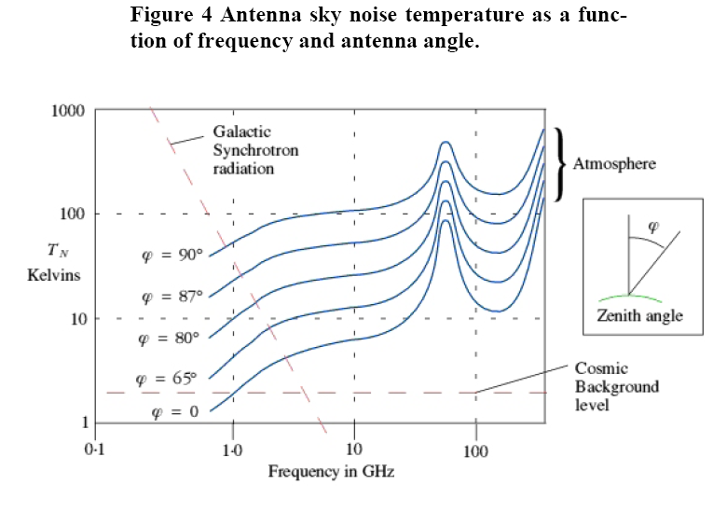
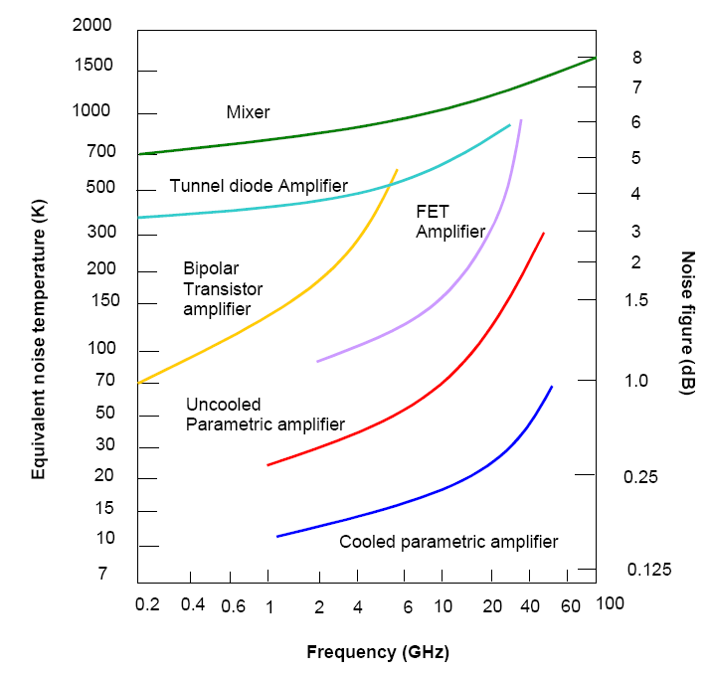

 | a
Contact time Percent | Tc | 1.30%
Down link rate |  | 0 | kbits/s

Telemetry
Telemetry/Data Handling Budget Analysis

Constants | Symbol | Values | Units |  | User Inputs
Earth gravitational constant | m | 398600.5 | km3/s2 |  | calculated value
Earth radius | RE | 6378 | km |  | Heading
Seconds In a year | Ty | 3.156E+07 | s |  | Sub Heading

Telemetry Channels |  |  |  |  |  | Satellite Orbit |  |  |  | Straw Man Telemetry |  |  |  | Straw Man Telemetry - Rates
Channel | Rate | Word Size | Bit Rate | Sample Period |  | Value | Symbol | Values | Units | Quantity | Symbol | Value | Units | Transmitted Rate | Collection Rate | Data Samples | Spatial Sampling
Name | Hz | bits | bits/s | #/Orbit | spatial (km) | Perigee altitude | hp | 500 | km | Factor of Safety | a | 1.05 | Unitless | kbits/s | kbits/s | Hz | m
Electric Field V12 | 80 | 16 | 1280 | 454145 | 0.10 | Apogee altitude | ha | 500 | km | Contact Time Percent | t | 2.48% | Unitless | 1.20 | 0.03 | 1.68 | 4456.71
Electric Field V34 | 80 | 16 | 1280 | 454145 | 0.10 | Inclination | i | 45 | deg | Packet Overhead |  | 5% | Unitless | 9.60 | 0.22 | 13.46 | 557.09
Density DC Probe 1 | 80 | 16 | 1280 | 454145 | 0.10 | Radius of perigee | rp | 6878 | km | Spacecraft Velocity |  | 7.5 | km/s | 115.20 | 2.58 | 161.55 | 46.42
Density DC Probe 2 | 80 | 16 | 1280 | 454145 | 0.10 | Radius of apogee | ra | 6878 | km | Word Size |  | 16 | bits | 256.00 | 5.74 | 359.01 | 20.89
Magnetometer X-Axis | 80 | 18 | 1440 | 454145 | 0.10 | Semi major axis | a | 6878 | km |  |  |  |  | 1000.00 | 22.44 | 1402.38 | 5.35
Magnetometer Y-Axis | 80 | 18 | 1440 | 454145 | 0.10 | Eccentricity | e | 0.000 |  |  |  |  |  | 2000.00 | 44.88 | 2804.76 | 2.67
Magnetometer Z-Axis | 80 | 18 | 1440 | 454145 | 0.10 | Orbit Period | ts | 94.61 | min |  |  |  |  | 10000.00 | 224.38 | 14023.81 | 0.53
GPS Receiver | 0.010569319938 | 4096 | 43.29 | 60 | 720.26 | Velocity at perigee | Vp | 7.61 | km/s
Sun sensor elevation | 1.00 | 16 | 16.00 | 5677 | 7.61 | Velocity at apogee | Va | 7.61 | km/s
Sun phase sensor | 1.00 | 48 | 48.00 | 5677 | 7.61 | Semilactus rectum | p | 6878.00 | km
Power system (battery) | 0.10 | 48 | 4.80 | 56768 | 76.13 | Mean Motion | n | 95.63 | rad/day
Temp Monitor 1 | 0.03 | 8 | 0.27 | 170304 | 228.38 | Mean Motion | n | 15.22 | rev/day
Temp Monitor 2 | 0.03 | 8 | 0.27 | 170304 | 228.38
Temp Monitor 3 | 0.03 | 8 | 0.27 | 170304 | 228.38
Temp Monitor 4 | 0.03 | 8 | 0.27 | 170304 | 228.38
Temp Monitor 5 | 0.03 | 8 | 0.27 | 170304 | 228.38
Spacecraft Clock | 1.00 | 48 | 48.00 | 5677 | 7.61
Everything else | 1.00 | 128 | 128.00 | 5677 | 7.61
Unallocated |  |  | 269.61 | - | -
Rate collected on orbit |  | Total | 9999.04 | bits/s

Onboard Instruments
Spacecraft
Memory
Required Down Link
Design Element | Symbol | Value | Units
Rate collected on orbit | Rcollected | 9999.04 | bits/s
Downlink telemetry rate | Rtransmitted | 2.00E+06 | bits/s
Packet overhead |  | 5% | Unitless
Available telemetry rate |  | 1900000 | Bits/s
Factor of Safety | a | 1.05 | Unitless
Contact Time Percent | tc | 2.70% | Unitless
Down link rate | Rd | 388851 | bits/s
Telemetry Margin |  | 80% | Unitless

Estimated Daily Downlink
Average Daily Data Dump |  | 108.14 | M Bytes
Required Daily Data Dump |  | 102.99 | M Bytes
Average Contact Time per Day |  | 2,332.80 | s
Estimated contacts/day |  | 5.65
Estimated usable contacts duration |  | 412.88 | s
Estimated usable contacts duration |  | 6.88 | min
Estimated Dump/Contact |  | 19.14 | M Bytes

Required Telemetry Buffer
Design Element | Symbol | Value | Units
Onboard Collection Rate | Rc | 9999.04 | bits/s
Factor of Safety | a | 2
Max Time Between Contacts | tc | 60746 | s
Required Telemetry Buffer |  | 1214802792.7552357 | Bits
Required Telemetry Buffer |  | 144.82 | M Bytes
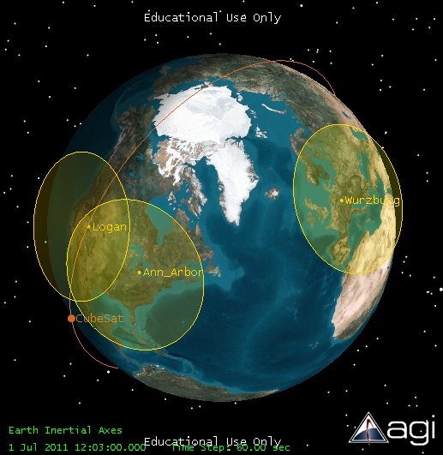
Required Telemetry Buffer |  | 1158.53 | M Bits

Required Transmitter Power
Design Element | Symbol | Value | Units
Transmitter RF Power |  | 1 | Watts
Transmitter Efficiency |  | 25%
Transmitter Power |  | 4.00 | Watts
Orbit Average On time |  | 153.27 | S
Orbit Average Power |  | 108.00 | mW

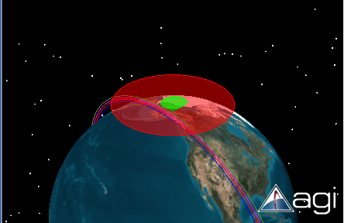
10º
40º
Required Ground Station Storage
Design Element | Symbol | Value | Units
Baseband Bandwidth |  | 10 | MHz
Digitization bits |  | 8 | bits
Baseband Sampling Rate |  | 40 | MHz
Baseband Sampled Data Rate |  | 320 | Mbits/s
Average Data in an Overpass |  | 132123 | Mbits/s
Storage Required Per Pass |  | 16.13 | G bytes

Access
Onboard Instruments
Spacecraft
Memory
Satellite Access to Ground Station Study Using STK
Contact with ground station, tc Satellite at 400 km
Constants | Symbol | Values | Units |  | User Inputs
Earth gravitational constant | m | 398600.5 | km3/s2 |  | calculated value
Earth radius | RE | 6378 | km |  | Heading
Seconds In a year | Ty | 3.156E+07 | s |  | Sub Heading

Satellite Access to Ground Stations
Satellite at 400 km Circular
One Year Simulation July 1, 2011 - July 1, 2012 |  |  |  |  | 31557600 | s/year
10 deg horizon or 80 degree cone angle (half angle)
 | Logan |  |  |  | Wurzburg |  |  |  | Ann Arbor |  |  |  | Poker Flat |  |  |  | Wallops |  |  |  | SRI
 | Access | Contacts | Tc | Gap | Access | Contacts | Tc | Gap | Access | Contacts | Tc | Gap | Access | Contacts | Tc | Gap | Access | Contacts | Tc | Gap | Access | Contacts | Tc | Gap
Inclination | Total (s) | Total | Percent | Max (s) | Total (s) | Total | Percent | Max (s) | Total (s) | Total | Percent | Max (s) | Total (s) | Total | Percent | Max (s) | Total (s) | Total | Percent | Max (s) | Total (s) | Total | Percent | Max (s)
40 | 524545 |  | 1.66% | 71057 | 160098 |  | 0.51% | 82832 | 506616 |  | 1.61% | 71071 | N/A |  | #VALUE! |  | 632410 |  | 2.00% | 65207 | 643352 |  | 2.04% | 65190
45 | 651206 |  | 2.06% | 65282 | 409018 |  | 1.30% | 71258 | 641426 |  | 2.03% | 65298 | N/A |  | #VALUE! |  | 689305 |  | 2.18% | 59521 | 689572 |  | 2.19% | 59487
50 | 687895 |  | 2.18% | 59586 | 589549 |  | 1.87% | 65510 | 690265 |  | 2.19% | 59615 | N/A |  | #VALUE! |  | 599450 |  | 1.90% | 59447 | 560681 |  | 1.78% | 59432
55 | 538101 |  | 1.71% | 59543 | 692468 |  | 2.19% | 59898 | 561194 |  | 1.78% | 59557 | 161836 |  | 0.51% | 82986 | 445787 |  | 1.41% | 59459 | 436954 |  | 1.38% | 53857
60 | 434595 |  | 1.38% | 53919 | 690519 |  | 2.19% | 59756 | 443210 |  | 1.40% | 53947 | 451157 |  | 1.43% | 71531 | 386849 |  | 1.23% | 53770 | 380640 |  | 1.21% | 53752
65 | 384255 |  | 1.22% | 53864 | 510388 |  | 1.62% | 54146 | 390166 |  | 1.24% | 53880 | 675001 |  | 2.14% | 65826 | 351192 |  | 1.11% | 53758 | 346501 |  | 1.10% | 53744
70 | 353554 |  | 1.12% | 53872 | 439327 |  | 1.39% | 54086 | 357562 |  | 1.13% | 53885 | 820177 |  | 2.60% | 60163 | 327103 |  | 1.04% | 48252 | 324116 |  | 1.03% | 48222
75 | 333915 |  | 1.06% | 48260 | 401204 |  | 1.27% | 48526 | 337466 |  | 1.07% | 48276 | 852982 |  | 2.70% | 54530 | 311294 |  | 0.99% | 48142 | 308636 |  | 0.98% | 48126
80 | 320840 |  | 1.02% | 48225 | 379493 |  | 1.20% | 48460 | 324237 |  | 1.03% | 48240 | 666776 |  | 2.11% | 48929 | 300846 |  | 0.95% | 48117 | 298238 |  | 0.95% | 48102
Contact with Ground Station, tc
85 | 314165 |  | 1.00% | 42782 | 367898 |  | 1.17% | 42953 | 317109 |  | 1.00% | 42791 | 599400 |  | 1.90% | 43359 | 294832 |  | 0.93% | 48131 | 292763 |  | 0.93% | 48115
90 | 310664 |  | 0.98% | 45624 | 364013 |  | 1.15% | 42874 | 315053 |  | 1.00% | 45606 | 581975 |  | 1.84% | 37817 | 291000 |  | 0.92% | 45747 | 288690 |  | 0.91% | 45765
95 | 313495 |  | 0.99% | 45613 | 368276 |  | 1.17% | 45359 | 317027 |  | 1.00% | 45596 | 599333 |  | 1.90% | 39483 | 294757 |  | 0.93% | 45735 | 292709 |  | 0.93% | 45752
100 | 321725 |  | 1.02% | 45671 | 379586 |  | 1.20% | 45448 | 324685 |  | 1.03% | 45657 | 666280 |  | 2.11% | 45009 | 301811 |  | 0.96% | 45777 | 321725 |  | 1.02% | 45671

Contact with ground station, tc Satellite at 300 km
Satellite at 300 km Circular
One Year Simulation July 1, 2011 - July 1, 2012 |  |  |  |  | 31557600 | s/year
10 deg horizon or 80 degree cone angle (half angle)
 | Logan |  |  |  | Wurzburg |  |  |  | Ann Arbor |  |  |  | Poker Flat |  |  |  | Wallops |  |  |  | SRI
 | Access | Contacts | tc | Gap | Access | Contacts | Tc | Gap | Access | Contacts | Tc | Gap | Access | Contacts | Tc | Gap | Access | Contacts | Tc | Gap | Access | Contacts | Tc | Gap
Inclination | Total (s) | Total | Percent | Max (s) | Total (s) | Total | Percent | Max (s) | Total (s) | Total | Percent | Max (s) | Total (s) | Total | Percent | Max (s) | Total (s) | Total | Percent | Max (s) | Total (s) | Total | Percent | Max (s)
40 | 378854 |  | 1.20% | 69543 | 25558 |  | 0.08% | 167893 | 361204 |  | 1.14% | 69578 | N/A |  | #VALUE! |  | 475992 |  | 1.51% | 69417 | 486455 |  | 1.54% | 63861
45 | 492334 |  | 1.56% | 63957 | 269199 |  | 0.85% | 75304 | 484547 |  | 1.54% | 69497 | N/A |  | #VALUE! |  | 510280 |  | 1.62% | 63778 | 505588 |  | 1.60% | 63763
50 | 498678 |  | 1.58% | 63861 | 438527 |  | 1.39% | 69653 | 506556 |  | 1.61% | 63873 | N/A |  | #VALUE! |  | 365245 |  | 1.16% | 58250 | 353766 |  | 1.12% | 58214
55 | 345950 |  | 1.10% | 58308 | 523397 |  | 1.66% | 64061 | 355746 |  | 1.13% | 58331 | 14455 |  | 0.05% | 255093 | 294220 |  | 0.93% | 58184 | 288879 |  | 0.92% | 58169
60 | 288632 |  | 0.91% | 58281 | 445684 |  | 1.41% | 58557 | 293918 |  | 0.93% | 58293 | 293807 |  | 0.93% | 75539 | 257954 |  | 0.82% | 58209 | 254304 |  | 0.81% | 58201
65 | 257224 |  | 0.82% | 52802 | 335755 |  | 1.06% | 58482 | 260825 |  | 0.83% | 52828 | 501974 |  | 1.59% | 64470 | 234948 |  | 0.74% | 52662 | 232132 |  | 0.74% | 52644
70 | 237116 |  | 0.75% | 52745 | 293539 |  | 0.93% | 52996 | 239864 |  | 0.76% | 52760 | 621974 |  | 1.97% | 58924 | 219284 |  | 0.69% | 52648 | 216931 |  | 0.69% | 52636
75 | 224481 |  | 0.71% | 52763 | 269903 |  | 0.86% | 52955 | 226463 |  | 0.72% | 52775 | 585235 |  | 1.85% | 53427 | 208421 |  | 0.66% | 52687 | 207289 |  | 0.66% | 52677
80 | 215870 |  | 0.68% | 47278 | 255545 |  | 0.81% | 47505 | 218338 |  | 0.69% | 47293 | 440558 |  | 1.40% | 47963 | 202135 |  | 0.64% | 47177 | 200288 |  | 0.63% | 47163
85 | 211096 |  | 0.67% | 47243 | 248107 |  | 0.79% | 47459 | 213450 |  | 0.68% | 47257 | 402445 |  | 1.28% | 42535 | 198301 |  | 0.63% | 47146 | 196901 |  | 0.62% | 47132
90 | 209715 |  | 0.66% | 44701 | 245451 |  | 0.78% | 44436 | 211704 |  | 0.67% | 44684 | 391887 |  | 1.24% | 38543 | 196832 |  | 0.62% | 47162 | 195180 |  | 0.62% | 47148
95 | 211456 |  | 0.67% | 44747 | 248056 |  | 0.79% | 44485 | 213067 |  | 0.68% | 44729 | 402407 |  | 1.28% | 43991 | 197939 |  | 0.63% | 44873 | 196773 |  | 0.62% | 44889
100 | 216659 |  | 0.69% | 50073 | 255798 |  | 0.81% | 49823 | 218179 |  | 0.69% | 50057 | 440286 |  | 1.40% | 49399 | 201509 |  | 0.64% | 50203 | 198655 |  | 0.63% | 50221

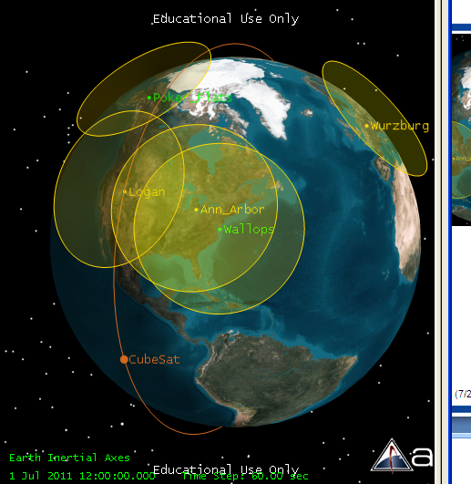
Satellite at 500 km
One Year Simulation |  | 31557600 | s/year
40 deg horizon or 50 degree cone angle (half angle)
 | JRO |  |  | Goldstone |  |  | Poker
 | Access | Tc | Gap | Access | Tc | Gap | Access | Tc | Gap
Inclination | Total (s) | Percent | Max (s) | Total (s) | Percent | Max (s) | Total (s) | Percent | Max (s)
65 |  | 0.00% | 474630 |  | 0.00% | 225610 |  | 0.00% | 73391
70 | 37638 | 0.12% | 559941 | 47806 | 0.15% | 736915 | 170107 | 0.54% | 67556
75 |  | 0.00% | 560056 |  | 0.00% | 382350 |  | 0.00% | 61779
28 | 82040 | 0.26% | 84858 | 0 | 0.00% |  | 0 | 0.00%
9 |  | 0.00% | 78673 | 0 | 0.00% |  | 0 | 0.00%
10 deg horizon or 80 degree cone angle (half angle)
 | JRO |  |  | Goldstone |  |  | Poker
 | Access | Tc | Gap | Access | Tc | Gap | Access | Tc | Gap
Inclination | Total (s) | Percent | Max (s) | Total (s) | Percent | Max (s) | Total (s) | Percent | Max (s)
65 |  | 0.00% |  |  | 0.00% |  |  | 0.00%
70 | 331168 | 1.05% | 48388 | 418113 | 1.32% | 49056 | 1005868 | 3.19%
75 |  | 0.00% | 48401 |  | 0.00% | 49043 |  | 0.00% | 50005
28 | 785584 | 2.49% |  | 0 | 0.00% |  | 0 | 0.00%
9 | 1139057 | 3.61% |  | 0 | 0.00% |  | 0 | 0.00%

Satellite at 500 km Circular
One Year Simulation July 1, 2011 - July 1, 2012
10 deg horizon or 80 degree cone angle (half angle)
 | Wallops
10º
40º
 | Access | Contacts | Tc | Gap
Inclination | Total (s) | Total | Percent | Max (s)
40 | 783341 | 1878 | 2.48% | 60847
45 | 852991 | 2067 | 2.70% | 60746
50 | 821105 | 2241 | 2.60% | 55025
55 | 597605 | 1551 | 1.89% | 54914
60 | 523931 | 1456 | 1.66% | 54899
65 | 473556 | 1313 | 1.50% | 49221
70 | 441672 | 1225 | 1.40% | 49138
75 | 419434 | 1172 | 1.33% | 49120
80 | 405735 | 1145 | 1.29% | 43558
85 | 397300 | 1119 | 1.26% | 43441
90 | 394572 | 1121 | 1.25% | 43396
95 | 397568 | 1135 | 1.26% | 46668
100 | 406050 | 1167 | 1.29% | 46666

